Architecture
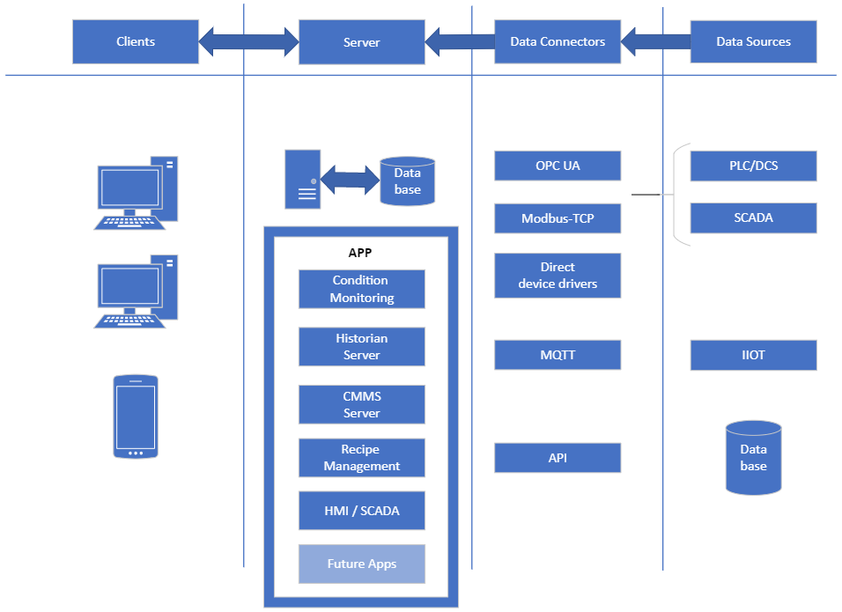

Tag Properties
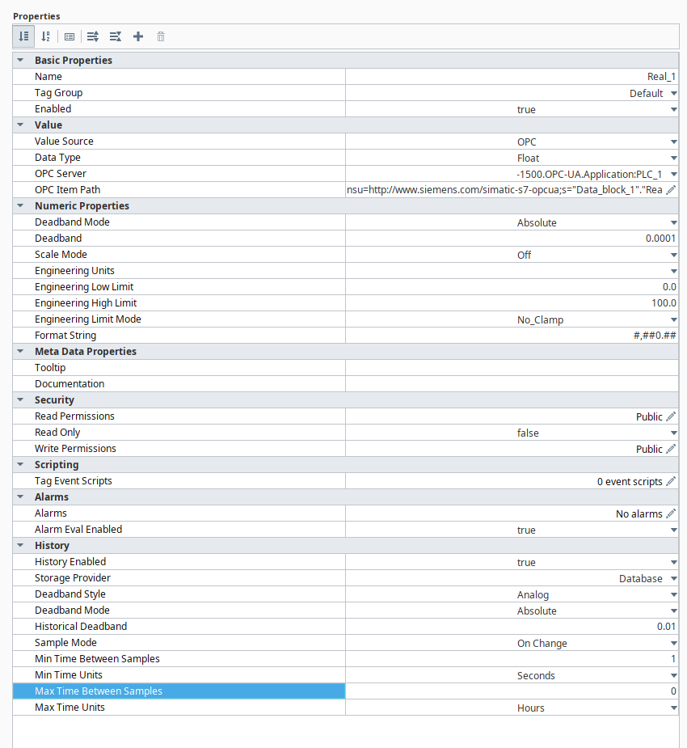
No | Tag Name | Description | Server Name | Tag type | Data type | Tag Value | Low Scale in EU | High Scale in EU | EU | Sample mode (0-On change; 1- Periodic) | Deadband / Threshold | Sampling time selection (Hr/Min/Sec) | Set Sampling time | Ignition | Tag Properties for Future version
1 | Motor-1 Current | Current in Amps | OPC:/ | Data Source | Float | 52 | 0 | 200 | A | Periodic | 0.05 | Sec | 2
2 | Motor-1 Power | Power in Kw | OPC:/ | Data Source | Float | 46 | 0 | 300 | KW | Periodic | 0.5 | Sec | 2
3 | Level Transmitter | Tank level in % | OPC:/ | Data Source | Float | 82 | 0 | 100 | % | On Change | 1
4 | Air flow calculation | flow in m3/hr | Local | Internal Memory | Float | 76.52 | 0 | 500 | M3/H | Periodic | 0.5 | Min | 1
5 | Temperature F | Conv C to F | Local | Internal Memory | Float | 102.6 | 0 | 150 | °F | Periodic | 1 | Min | 3

Client Trend Views
 |  |  |  |  |  |  |  |  |  |  |  |  |  |  |  |  |  |  |  |  | Honeywell -Oil &Gas

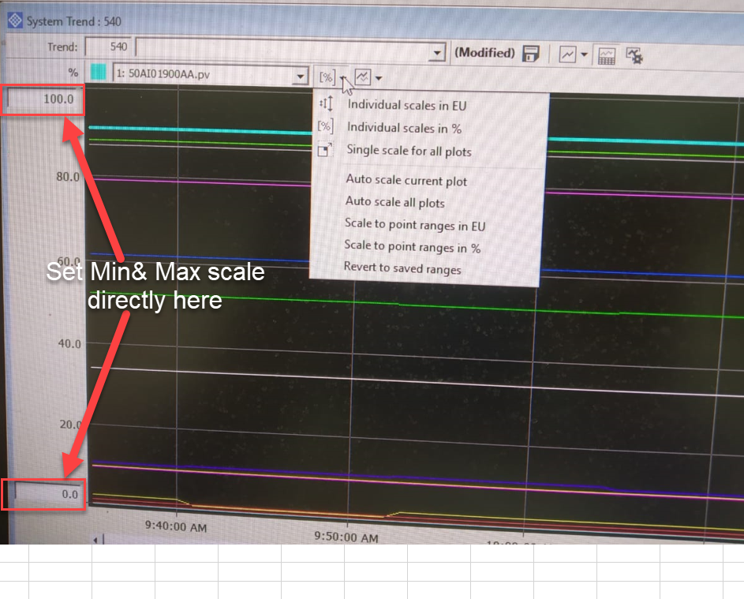
 | Motor-1 Current
6:00:00 | 45
7:00:00 | 56
8:00:00 | 89
9:00:00 | 75
10:00:00 | 42
11:00:00 | 65
12:00:00 | 89
13:00:00 | 23
14:00:00 | 35
15:00:00 | 68
16:00:00 | 48
17:00:00 | 95
Trend browser |  |  |  | Trend Graphs |  | 1 | Trend-1 |  |  | Chart Type | Stacked Chart | Individual scale in EU |  |  |  |  | Period | 12Hr
No | Trend Name | Description
1 | Trend-1
2 | Trend-2
3 | Trend-3
4 | Trend-4
5 | Trend-5
6 | Trend-6
7 | Trend-7
8 | Trend-8
9 | Trend-9
10 | Trend-10
11 | Trend-11
 | Motor-1 Power
6:00:00 | 60
7:00:00 | 75
8:00:00 | 86
9:00:00 | 98
10:00:00 | 45
11:00:00 | 23
12:00:00 | 56
13:00:00 | 24
14:00:00 | 26
15:00:00 | 27
16:00:00 | 29
17:00:00 | 35
12 | Trend-12

 |  |  |  |  | 5/26/22 |  |  |  |  |  | 1900-01-01 00:00:00 |  |  |  |  |  |  |  | 5/27/22

Tag Browser |  |  |  | Trend Properties
No | Tag Name | Description | Tag type | Pen Selection | Pen color | Tag Name | Description | Data type | Current Tag Value | Dynamic cursor Date&Time | Unit | Low Scale in EU | High Scale in EU | Low Scale in % | High Scale in % | Scale view (0- in %; 1-in EU) | Offset | No of samples | min value | Time at min value
1 | Motor-1 Current |  | Float |  |  | Motor-1 Current | Current in Amps | Float | 52 |  | A | 0 | 200 | 0 | 100 | EU | 1900-01-24 00:00:00
2 | Motor-1 Power |  | Float |  |  | Motor-1 Power | Power in Kw | Float | 15.333333333 |  | KW | 0 | 300 | 0 | 100 | % | 1900-01-24 00:00:00
3 | Level Transmitter |  | Float
4 | Air flow calculation |  | Float
5 | Temperature F |  | Float
 | 0
 | 0

 | Motor-1 Current |  | Motor-1 Power
6:00:00 | 45 | 6:00:00 | 60
7:00:00 | 56 | 7:00:00 | 75
8:00:00 | 89 | 8:00:00 | 86
9:00:00 | 75 | 9:00:00 | 98
10:00:00 | 42 | 10:00:00 | 45
11:00:00 | 65 | 11:00:00 | 23
12:00:00 | 89 | 12:00:00 | 56
13:00:00 | 23 | 13:00:00 | 24
14:00:00 | 35 | 14:00:00 | 26
15:00:00 | 68 | 15:00:00 | 27
16:00:00 | 48 | 16:00:00 | 29
17:00:00 | 95 | 17:00:00 | 35
18:00:00 | 96 | 18:00:00 | 36
19:00:00 | 93 | 19:00:00 | 39
20:00:00 | 25 | 20:00:00 | 48
21:00:00 | 86 | 21:00:00 | 51
22:00:00 | 75 | 22:00:00 | 29
23:00:00 | 78 | 23:00:00 | 68
1900-01-01 00:00:00 | 78 | 1900-01-01 00:00:00
 |  | 1900-01-01 01:00:00
 |  | 1900-01-01 02:00:00
 |  | 1900-01-01 03:00:00
 |  | 1900-01-01 04:00:00
 |  | 1900-01-01 05:00:00

4/12/2022 | 45 | 60
4/13/2022 | 56 | 75
4/14/2022 | 89 | 86
4/15/2022 | 75 | 98
4/16/2022 | 42 | 45
4/17/2022 | 65 | 23
4/18/2022 | 89 | 56
4/19/2022 | 23 | 24
4/20/2022 | 35 | 26
4/21/2022 | 68 | 27
4/22/2022 | 48 | 29
4/23/2022 | 95 | 35
4/24/2022 | 96 | 36
4/25/2022 | 93 | 39
4/26/2022 | 25 | 48
4/27/2022 | 86 | 51
4/28/2022 | 75 | 29
4/29/2022 | 78 | 68
4/30/2022 | 78 | 68
5/1/2022 | 78 | 68
5/2/2022 | 78 | 68
5/3/2022 | 78 | 68
5/4/2022 | 78 | 68
5/5/2022 | 78 | 68

Data
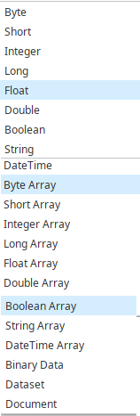
Pen type | Datatypes | Sample mode (0-On change; 1- Periodic) | Sampling time selection (Hr/Min/Sec) | Unit | Tag type
 |  |  |  | RPM | Data Source
"-----------" | Bool | On Change | Sec | M/MIN | Internal Memory | EU | 1Hr | Line Chart | Individual scale in EU | 12/04/2022 | 2022-04-12 | 6:00:00 | 45 | 60
"________" | Byte | Periodic | Min | °C |  | % | 4Hr | Stacked Chart | Common scale in % | 12/04/2022 | 2022-04-13 | 7:00:00 | 56 | 75
"…..........." | Int |  | Hour | °F |  |  | 8Hr | Scatter Plot | Common scale in EU | 12/04/2022 | 2022-04-14 | 8:00:00 | 89 | 86
 | Dint |  |  | BAR |  |  | 12Hr |  |  | 12/04/2022 | 2022-04-15 | 9:00:00 | 75 | 98
 | Float |  |  | % |  |  | 1 day |  |  | 12/04/2022 | 2022-04-16 | 10:00:00 | 42 | 45
 | String |  |  | PPM |  |  | 1 week |  |  | 12/04/2022 | 2022-04-17 | 11:00:00 | 65 | 23
 |  |  |  | NTU |  |  | 2 weeks |  |  | 13/04/2022 | 2022-04-18 | 12:00:00 | 89 | 56
 |  |  |  | A |  |  | 4 weeks |  |  | 13/04/2022 | 2022-04-19 | 13:00:00 | 23 | 24
 |  |  |  | MM |  |  | 3 months |  |  | 13/04/2022 | 2022-04-20 | 14:00:00 | 35 | 26
 |  |  |  | GSM |  |  | 6 months |  |  | 13/04/2022 | 2022-04-21 | 15:00:00 | 68 | 27
 |  |  |  | V |  |  | 1 Year |  |  | 13/04/2022 | 2022-04-22 | 16:00:00 | 48 | 29
 |  |  |  | M3/H |  |  |  |  |  | 13/04/2022 | 2022-04-23 | 17:00:00 | 95 | 35
 |  |  |  | MBAR |  |  |  |  |  | 13/04/2022 | 2022-04-24 | 18:00:00 | 96 | 36
 |  |  |  | MS |  |  |  |  |  | 13/04/2022 | 2022-04-25 | 19:00:00 | 93 | 39
 |  |  |  | L/H |  |  |  |  |  | 13/04/2022 | 2022-04-26 | 20:00:00 | 25 | 48
 |  |  |  | L/MIN |  |  |  |  |  | 13/04/2022 | 2022-04-27 | 21:00:00 | 86 | 51
 |  |  |  | RH % |  |  |  |  |  | 13/04/2022 | 2022-04-28 | 22:00:00 | 75 | 29
 |  |  |  | KG/H |  |  |  |  |  | 13/04/2022 | 2022-04-29 | 23:00:00 | 78 | 68
 |  |  |  | KG/M² |  |  |  |  |  | 13/04/2022 | 2022-04-30 | 1900-01-01 00:00:00 | 78 | 68
 |  |  |  | T/H |  |  |  |  |  | 13/04/2022 | 2022-05-01 | 1900-01-01 01:00:00 | 78 | 68
 |  |  |  | NM |  |  |  |  |  | 13/04/2022 | 2022-05-02 | 1900-01-01 02:00:00 | 78 | 68
 |  |  |  | KW |  |  |  |  |  | 13/04/2022 | 2022-05-03 | 1900-01-01 03:00:00 | 78 | 68
 |  |  |  | KWH |  |  |  |  |  | 13/04/2022 | 2022-05-04 | 1900-01-01 04:00:00 | 78 | 68
 |  |  |  | KG |  |  |  |  |  | 13/04/2022 | 2022-05-05 | 1900-01-01 05:00:00 | 78 | 68
 |  |  |  | H
 |  |  |  | M
 |  |  |  | S
 |  |  |  | MM/S
 |  |  |  | Gr
 |  |  |  | pH
 |  |  |  | NTU
 |  |  |  | Pa
 |  |  |  | Hz
 |  |  |  | KN/M

 | Data Type | Name | Definition
 | Boolean (bool) | Boolean | Represents the simplest data type. Booleans can have one of two values: 0 or 1. This may be displayed as True/False, On/Off, Yes/No, and so on.
 | Byte (byte) | Unsigned 8-bit integer | Stores positive 8-bit values, represented as integers from 0 through 255.
 | Byte[] (byte[]) | BLOB (binary large object) | A collection of binary data stored as a single entity in a database management system.
 | Data Table (DataTable) | Data Table | An on-screen display of information in a database management system, in a column format, with field names at the top.
 | DateTime (DateTime) | Date Time | Represents an instance in history, from year through millisecond. DateTime fields range in value from 12:00:00 midnight January 1, 0001 to 11:59:59 December 31, 9999.
 | Double (double) | Double Precision Float (64 bits) | Values range from -1.79769313486232e308 through 1.797679313486232e308, as well as positive or negative zero (PositiveInfinity and NegativeInfinity) and not a number (NaN).

 |  |  | Important:Doubles can maintain only 15 digits of precision.

 | GUID | GUID (globally unique identifier) | 128-bit integer that can be used wherever a unique identifier is required.
 | Int116 (short) | Signed 16-bit Integer | Values range from -32,768 through 32,767.
 | Int32 (int) | Signed 32-bit Integer | Values range from -2,147,483,648 through 2,147,483,647.
 | Int64 (long) | Signed 64-bit Integer | Values range from -9,223,372,036,854,775,808 through 9,223,372,036,854,775,807.
 | UInt16 (ushort) | Unsigned 16-bit Integer | Values range from 0 through 65535.
 | UInt32 (uint) | Unsigned 32-bit integer | Values range from 0 through 4,294,967,295.
 | SByte (SByte) | Signed 8-bit integer | Values range from -128 through 127.
 | Single (float) | Single Precision Float (32 bits) | Values range from -3.402823e38 to 3.402823e38, as well as positive or negative zero (PositiveInfinity and NegativeInfinity) and not a number (NaN).

 |  |  | Important:Singles can maintain only 7 digits of precision.

 | Nullable Int64 | Nullable 64-bit Integer | Allows a value of NULL or a signed 64-bit integer.
 | Nullable Double | Nullable Double Precision Float | Allows a value of NULL or a double precision float.
 | String (string) | String | Represents a sequential collection of Unicode characters used to represent text.
 | TimeSpan (timespan) | Time Interval | Contains a Start Time and a Duration (specified by a single number), which can be defined by: year, month, day, hour, minute, second, and millisecond (decimal).
 | Object (object) | Object | Represents undeclared variables and variables declared without a data type.

